Parts list
Name | Aliexpress lot price | Qte per lot | Qte per sensor | Price per sensor | Link
TSL2591 | 3.69 € | 1 | 1 | 3.69 € | https://fr.aliexpress.com/item/1005006864126085.html?spm=a2g0o.cart.0.0.5f6c378dLofaLI&mp=1&gatewayAdapt=glo2fra
SSD1306 128x32 oled | 1.67 € | 1 | 1 | 1.67 € | https://fr.aliexpress.com/item/32794209149.html?spm=a2g0o.cart.0.0.5f6c378dLofaLI&mp=1&gatewayAdapt=glo2fra
ESP32 D1 mini | 3.79 € | 1 | 1 | 3.79 € | https://fr.aliexpress.com/item/1005006400668971.html?spm=a2g0o.cart.0.0.5f6c378dLofaLI&mp=1&gatewayAdapt=glo2fra
USB A socket | 1.60 € | 10 | 1 | 0.16 € | https://fr.aliexpress.com/item/1005006092762066.html?spm=a2g0o.cart.0.0.5f6c378dLofaLI&mp=1&gatewayAdapt=glo2fra
BME280-3,3 | 2.69 € | 1 | 1 | 2.69 € | https://fr.aliexpress.com/item/1005004527984343.html?spm=a2g0o.cart.0.0.5f6c378dLofaLI&mp=1&gatewayAdapt=glo2fra
SGP40 | 6.79 € | 1 | 1 | 6.79 € | https://fr.aliexpress.com/item/1005001847634823.html?spm=a2g0o.cart.0.0.5f6c378dLofaLI&mp=1&gatewayAdapt=glo2fra
M2-12 screws | 1.75 € | 100 | 2 | 0.04 € | https://fr.aliexpress.com/item/1005005480125500.html?spm=a2g0o.cart.0.0.5f6c378dLofaLI&mp=1&gatewayAdapt=glo2fra
M2-5 screws | 1.51 € | 100 | 7 | 0.11 € | https://fr.aliexpress.com/item/1005005480125500.html?spm=a2g0o.cart.0.0.5f6c378dLofaLI&mp=1&gatewayAdapt=glo2fra
SCD40 | 17.29 € | 1 | 1 | 17.29 € | https://fr.aliexpress.com/item/1005004221715765.html?spm=a2g0o.cart.0.0.5f6c378dLofaLI&mp=1&gatewayAdapt=glo2fra
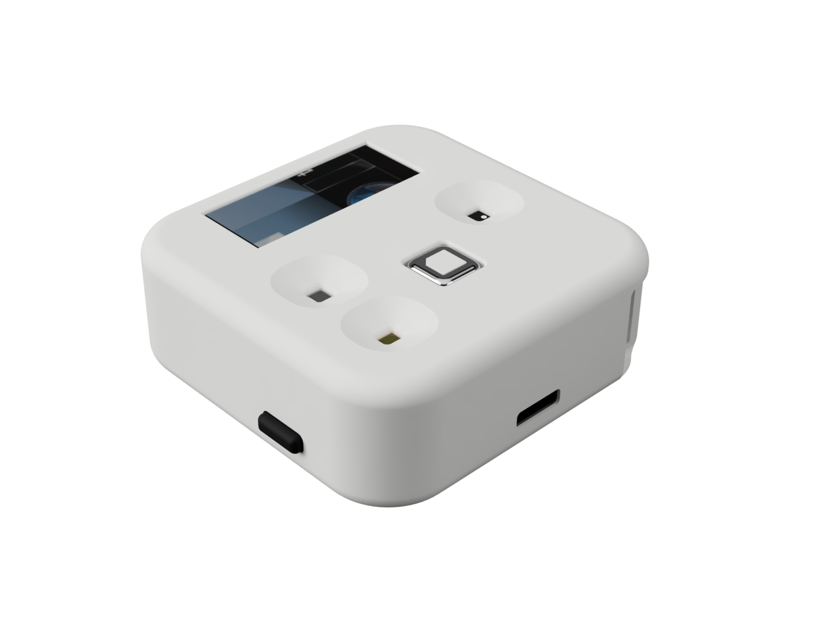

Cost per sensor | 36.22 €
Shipping time | < 10 days (nov 26 -28)

